Sheet1
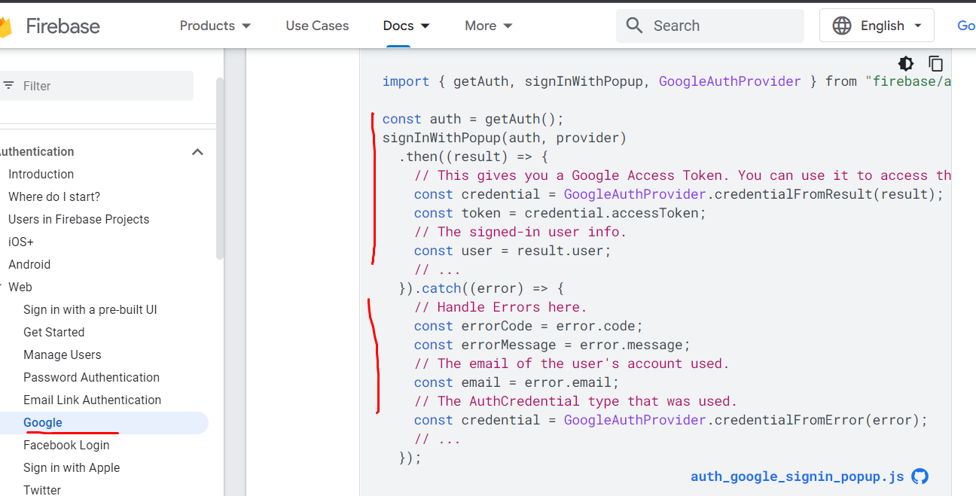
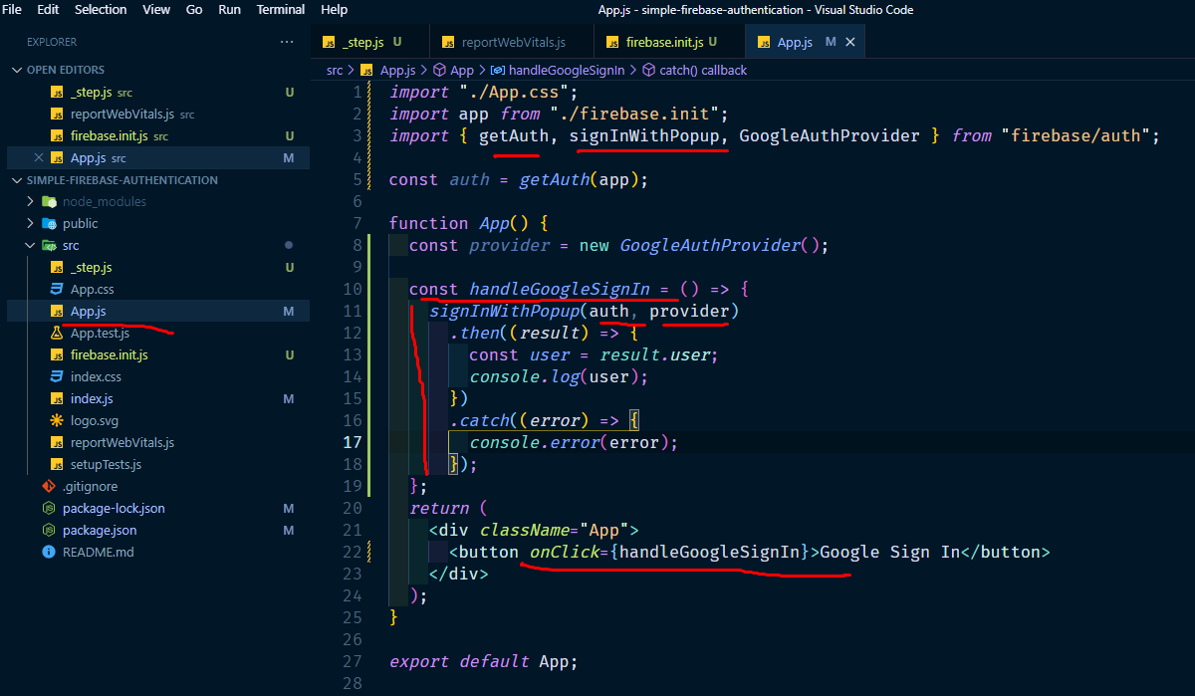
8. create google provider in app.js under app function

 | pop up open korar jonno

